Summary
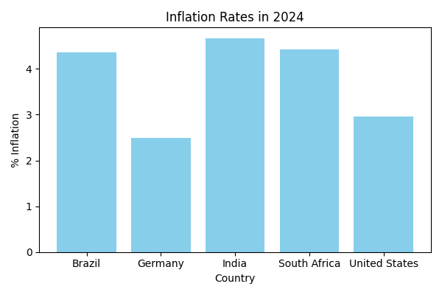
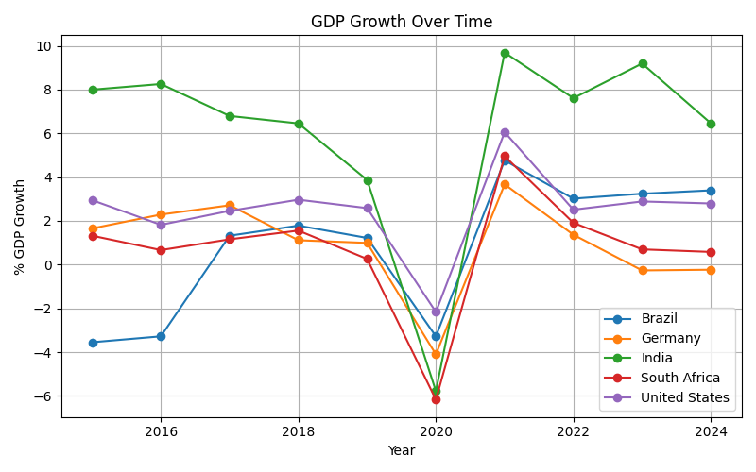
Country | Avg_GDP_Growth | Avg_Inflation
Brazil | 0.86 | 5.84
Germany | 0.92 | 2.68
India | 6.05 | 4.96
South Africa | 0.69 | 4.99
United States | 2.49 | 2.88

